Start Here
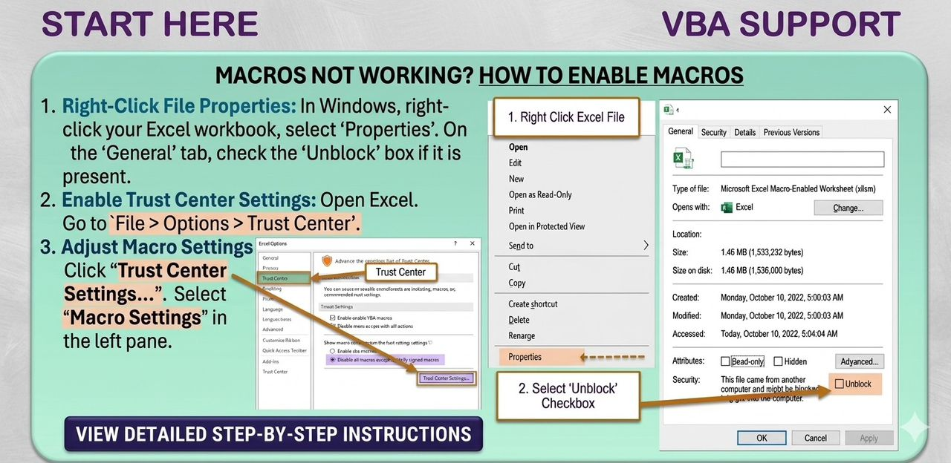
FOR CUSTOMIZATIONS AND GENERAL ASSISSTANCE,
KINDLY CLICK HERE TO CONTACT ME

CONTACT ME VIA WHATSAPP

CONTACT ME VIA
E-MAIL

Receipt
COMPANY NAME Company Address
RECEIPT
 |  |  |  |  | Search Receipt
Customer: |  |  | Receipt# | 1 | Taxable | Yes
 |  |  | Rec. Date | 2026-03-31 | Total Tax Rate | 20%

NEW RECEIPT
Item Name | Description | Qty | Unit Price | Total

SAVE RECEIPT

DELETE RECEIPT

GENERATE PDF

SEND RECEIPT VIA WHATSAPP

VAT @15% , GETFUND @2.50% , NHIL @2.5%. Total Tax=20%
 |  |  | Subtotal | ₵0.00
THANK YOU FOR YOUR BUSINESS! |  |  | Tax | ₵0.00
 |  |  | Grand Total | ₵0.00

